Copy of 2022 Number properties
 | Number properties and operations
 | Question description | Question | Solution | Score and Description | Sample Responses | Incorrect answer - Student Response | Grade | Year | Block | Type | Difficulty | Percentage | Item Performance
x | Solve problem using division | Andrea works in a flower shop ans is making bows. Eache bow requires a 4-foot piece of ribbon. She has 158 feet of ribbon on a roll. What is the greatest number of these bows Andrea can make from the roll of ribbon? | Answer: 39 bows Solution (not required in response): 158 ÷ 4 = 39 1/2 Therefore, she can make 39 bows. | Answer of 39 Partial 1: Answer of 39 with an incorrect unit Partial 2: Answer of 39 1/2 or 39R2 with or without an incorrect unit | 39 39 bows Partial 1 - Student Response (These partially correct responses each show an answer of 39 with an incorrect unit of length). 39 feet 39ft | (These incorrect responses each show an answer other than 39, 39 1/2, or 39 remainder 2). 30 bows 39.2 | 8 | 2022 | 8M1 | SCR (Short Constructed Response) | Medium | Correct: 40% Incorrect: 50% Partial 1: rounds to zero Partial 2: 7% Omitted: 3% Off task: rounds to zero

x | Determine which expression is equivalent to a given expression | Which of the following expressions is equivalent to 20(9 + 5)? A. 9(20 + 5) B. 20(5 + 9) C. 20(9) + 5 D. (20 + 9)5 E. 20 + (9) (5) | B. 20(5 + 9) |  |  |  | 8 | 2022 | 8M1 | SR (Selected Response) | Easy | A: 8% B: 79% (correct) C: 5% D: 4% E: 4% Omitted: rounds to zero

x | Determine a ratio from a story problem | There are 8 students playing in the school yard. There are 3 girls and the rest of the students are boys. What is the ratio of girls to boys? A. 3 to 5 B. 5 to 3 C. 5 to 8 D. 8 to 3 e. 8 to 5 | A. 3 to 5 |  |  |  | 8 | 2022 | 8M1 | SR (Selected Response) | Easy | A: 76% (correct) B: 9% C: 2% D: 11% E: 1% Omitted: rounds to zero

x | Subtract integers | Subtract. -3-8= A. -11 B. -5 C. 5 D. 11 E. 24 | A. -11 |  |  |  | 8 | 2022 | 8M1 | SR (Selected Response) | Easy | A: 61% (correct) B: 13% C: 18% D: 8% E: rounds to zero Omitted: rounds to zero

 | Represent absolute value on a number line |  |  | Correct selections: 2, -2 Partial 1: Selection of 2 only Partial 2: Selection of -2 only | No student responses are available for this question. | Any number except 2 or -2 0, 1, 3, 4, 5, -1, -3, -4, -5 | 8 | 2022 | 8M1 | SR (Selected Response) | Medium | Correct: 43% Incorrect: 30% Partial 1: 23% Partial 2: 4% Omitted: 1% Off task: rounds to zero

 | Order rational numbers | 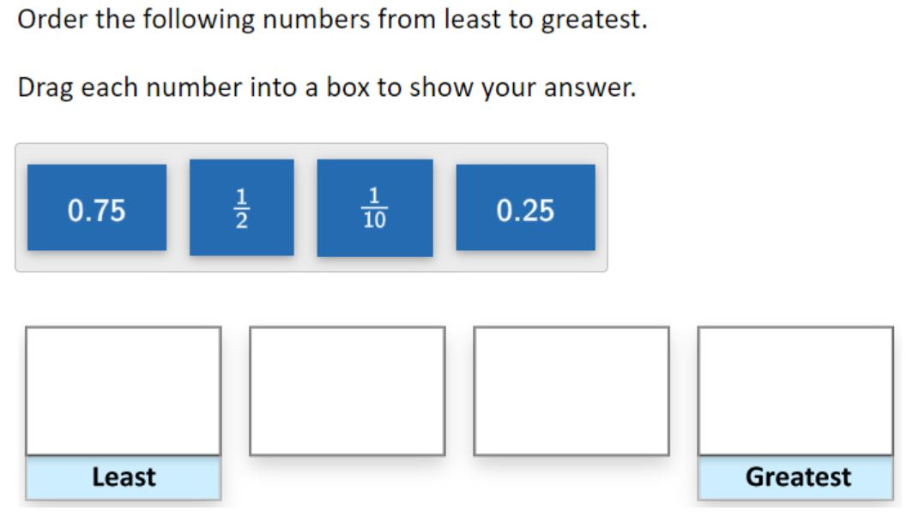 | 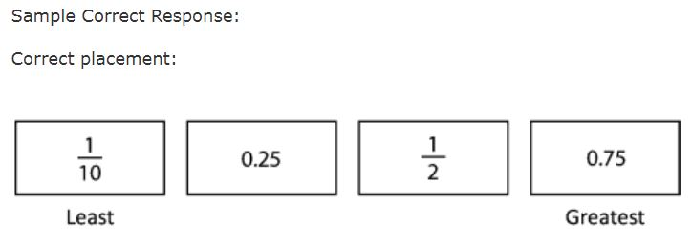 | Correct: Four numbers correctly placed | No student responses are available for this question. | Incorrect 1: 0.75, 1/2, 0.25, 1/10 Incorrect: Other incorrect responses | 8 | 2022 | 8M1 | SR (Selected Response) | Medium | Correct: 55% Incorrect 1: 1% Incorrect 2: 44% Omitted: rounds to zero Off task: rounds to zero

 | Use an interactive tool to plot a point on a number line | 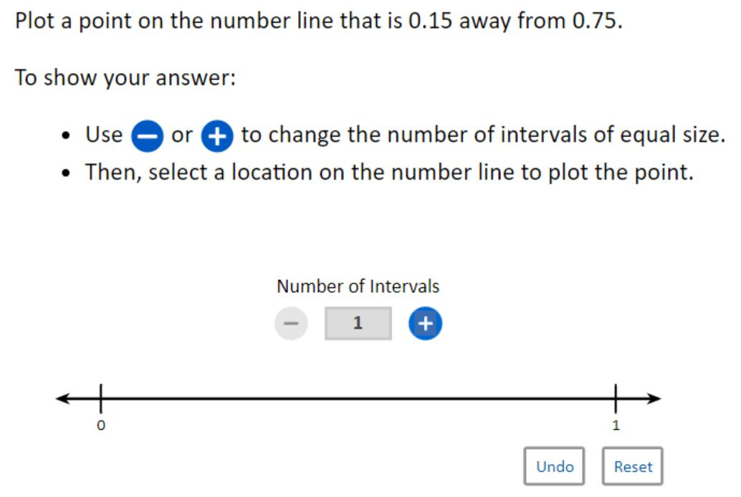 | 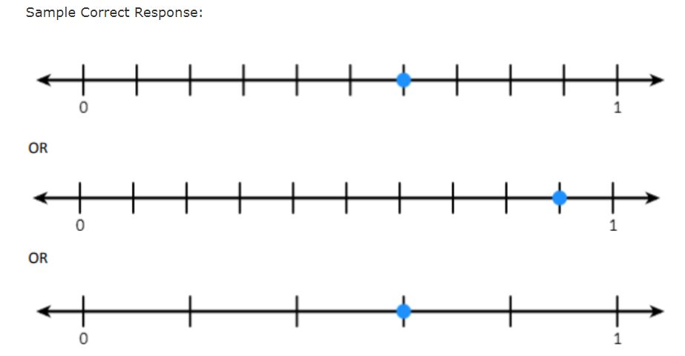 | Correct: Correct response | No student responses are available for this question. | Incorrect: Incorrect response | 8 | 2022 | 8M1 | SCR (Short Constructed Response) | Hard | Correct: 20% Incorrect: 72% Omitted: 8% Off task: rounds to zero

